1.Title page
Instacart Grocery Basket

Project Name: Instacart Grocery Basket Analysis
Date: 10/05/2023
Analyst Name: Amrit Kaur

Contents:
Population Flow
Consistency checks
Wrangling steps
Column derivations
Visualizations
Recommendations

Data Citation:
Customer data, as well as the "prices" data, were both fabricated for the purpose of this project.
"The Instacart Online Grocery Shopping Dataset 2017", Accessed from http://www.instacart.com/datasets/grocery-shopping-2017 on [date].

3.Consistency Checks
 |  |  |  | Title page
Consistency checks

Dataset | Missing values | Missing values treatment | Duplicates
orders | 206209 missing values in 'days since prior order' | No change. These mark the first order 1 associated with value indicates a new customer
products | 16 in 'product_name' | dropped from column | 5 duplicates dropped
orders_products_prior | No missing values |  | No Duplicates
customers | No missing values |  | No Duplicates
instacart_data_all | 5 in 'median_order_freq' | Calculated field - replaced with correct values
instacart_data_all | 5 in 'order_freq_flag' | Calculated field - replaced with correct values

4.Wrangling Steps
 |  |  |  | Title page
Wrangling steps

Columns dropped | Columns renamed | Columns' type changed | Comment/Reason
orders.eval_set |  |  | data not relevant to analysis
 | orders_dow to 'orders_day_of_week |  | renamed to be more descriptive
 |  | order.order_id to str | It is a unique identifier and does not need to be an integer.
 |  | order.user_id to str | It is a unique identifier and does not need to be an integer.
customer.First Name |  |  | data not relevant to analysis & PII
customer.Surnam |  |  | data not relevant to analysis & PII
 | Customer[('STATE':'state'), ('Gender':'gender'), ('Age':'age'), ('n_dependants':'number_dependants'), ('fam_status':'family_status')] |  | Renamed for consistency and to be more descriptive

5.column derivations
 |  |  |  |  |  |  | Title page
In this tab you should add tables below that the frequences of flags/label variables that you produced after deriving them. NB: don't do this for continuous variables, only for flags.
Column derivations and aggregations

Dataset | New column | Column/s it was derived from | Conditions
products | price_range_loc | price | price <= 5 : 'Low range product', price > 5 and <= 15 : 'Mid range product', price > 15: 'High range product' | Price Range Value Counts | High range product 412551 | Mid range product 21865987 | Low range product 10126321
orders | busiest_day | orders_day_of_the_week | orders_day_of_the_week 0 = 'Busiest day', 4 = 'Least busy', else: 'Rregular day | Busiest Day Value Count | Regularly busy 22416875 | Busiest day 6204182 | Least busy 3783802
orders | busiest_period | orders_day_of_the_week | orders_day_of_the_week 0 or 1 = 'Busiest days', 4 or 3 = 'Slowest days ', else: 'Regularly busy' | Busiest period Value Count | Regularly busy 12916111 | Busiest days 11864412 | Slowest days 7624336
ords_prods_merged | busiest_period_of_day | order_hour_of_day | value >= 10 & <= 16 : 'Most orders', value <6 = 'Average orders', else: 'Fewest orders' | Busiest Period of Day Value Counts | Most orders 18663868 | Average orders 13144663 | Fewest orders 596328
ords_prods_merged | mean_spending | user_id', 'prices' | Dataframe grouped by 'user_id' and transformed by mean of 'prices' | Continuous Variable
ords_prods_merged | spending_flag | mean_spending | mean_spending < 10 : 'Low spender' igh-spender, else Low-spender | Spending Value Counts | Low spender 32285150 | High spender 119709
ords_prods_merged | loyalty_flag | max_orders | max_orders > 40 = 'Loyal customer', 40 >= max_order > 10 : 'Regular customer', else: 'New customer' | Loyalty_flag Value Counts | Regular customer 15876776 | Loyal customer 10284093 | New customer 6243990
ords_prods_merged | median_order_freq | user_id, days_since_prior_order | Dataframe grouped by 'user_id' and transformed by median of 'days_since_prior_order' | Continuous Variable
ords_prods_merged | order_freq_flag | median_order_freq | >20: 'Non-frequent customer', <= 20 & >10: 'Regular customer', <=10: 'Loyal customer' | Order_frequency Value Counts | Non-frequent customer 3636434 | Regular customer 7208564 | Frequent customer 21559853
instacart_data_all | region | state | according to us census regions | Region Value Counts | South 10791885 | West 8292913 | Midwest 7597325 | Northeast 5722736
instacart_data_all - df_reg_customers (low activity customers excluded) | age_group | age | age < 40 = Young Adult, 40 - 64 = Middle-Aged, 65 >= senior | Age_Group Value Counts | Middle-Aged 12103910 | Senior 8195544 | Young Adult 10665110
instacart_data_all - df_reg_customers (low activity customers excluded) | income_group | income | income < 75000 : '025-75k', income 75000 to < 125000 : '075-125k', income >= 125000: '125k+' | Income_Group Value Count | 025-75k 9906680 | 075-125k 12779840 | 125k+ 8278044
instacart_data_all - df_reg_customers (low activity customers excluded) | family_status | number_dependants | number_dependants = 0: 'Has dependants', number_dependants >= 1 'Has dependants' | Family_Status Value Count | Has dependants 23224883 | No dependants 7739681
instacart_data_all - df_reg_customers (low activity customers excluded) | diet_style | department id | Vegetarian' = no orders from department 12, 'Vegan' = 'no orders from departhemts 12 and 16', else: Meat-consumer | Diet_Style Value Count | Meat-consumer 23065332 | Vegetarian 7589236 | Vegan 309996
instacart_data_all - df_reg_customers (low activity customers excluded) | has_pet | department id | No_pet' = No orders from department 8, Else: 'Has_pet' | Has_Pet Value Counts | No pet 27513213 | Has pet 3451351

7. Recommendations
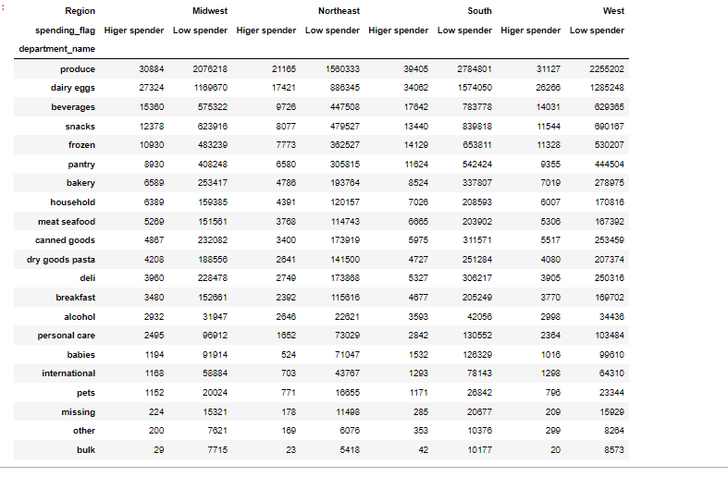
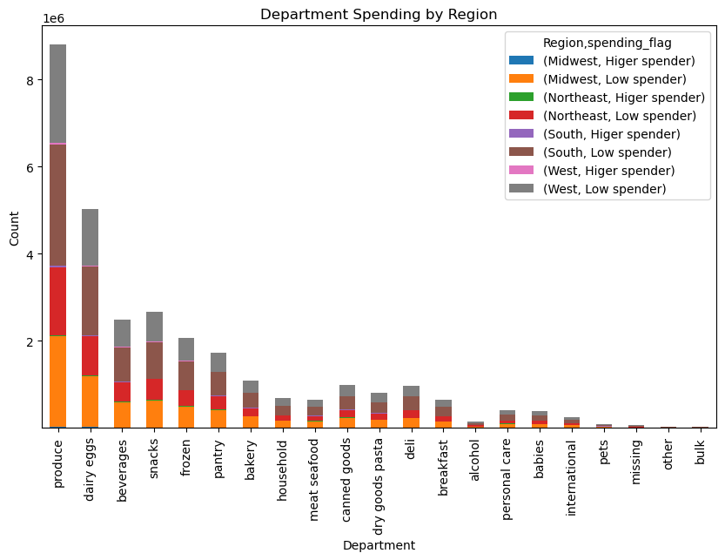
Recommendations
1. Instacart should consider increasing the variety of products in the produce department, especially in the Northeast and South regions where Instacart has the highest sales.
2. The dairy eggs department also has significant sales in all regions, so Instacart could focus on expanding this category and offering more products in this area.
3. The bulk department has the lowest sales in all regions, so Instacart may want to re-evaluate whether this department is worth maintaining or if it could be combined with other departments.
4. Instacart should consider increasing marketing efforts for the alcohol department, as it has the potential for high sales but currently has relatively low numbers.
5. Personal care and baby departments have high sales in all regions except the West, so Instacart could focus on expanding its offerings in these departments in the West region.
6. Instacart could consider implementing region-specific promotions and discounts to further increase sales in each region.
Overall, these recommendations are based on the sales data provided and are intended to help Instacart optimize its product offerings and increase sales in each region.
Additionally, based on the analysis of the regional sales data, here are a few more recommendations that could potentially improve sales for Instacart:
1. Marketing efforts: Since the Midwest region has the lowest sales in most of the departments, Instacart could focus on targeted marketing efforts in this region. This could include running special promotions, offering discounts, or partnering with local businesses to increase brand awareness in the Midwest.
2. Product assortment: The data suggests that some departments are more popular than others in certain regions. For example, the South has the highest sales in the Produce and Dairy & Eggs departments, while the West has the highest sales in Beverages and Snacks. Instacart could consider adjusting its product assortment in different regions to better meet customer preferences and increase sales.
3. Pricing strategy: The data shows that the South has the highest proportion of high-spending customers, while the Northeast has the highest proportion of low-spending customers. Instacart could consider adjusting its pricing strategy based on customer spending habits in different regions to maximize revenue.
4. Customer experience: Instacart could focus on improving the customer experience in regions with lower sales by improving in-store displays, offering personalized recommendations, or providing a seamless online shopping experience.
5. Inventory management: Instacart could also consider optimizing its inventory management strategy to ensure that popular products are well-stocked in different regions, while reducing waste by avoiding overstocking unpopular products.

